Read Me
This template is used for the data management of the SOILCRATES pilots.
For each pilot a template file is used and renamed after the pilot-id.
In this READ ME tab the terminology that is used is explained. And the identification of the plots and samples are defined.
In the tab Soil Monitoring per experiment the details of the pilot and the sampling campaign are filled in. With multiple experiments the tab can be copied and renamed after the experiment.
The results of the in-field measurement, policy indicators, scientific indicators and ecosystems services are filled in in the subsequent tabs.
For reference there is a tab about the indicator sets, and some lists for datavalidation in the template.
Logo SoilCrates

In the SOILCRATES project a database is created with the data for soil health assesment, ecosystem services evaluation and socio-economic impact. Each of these purposes have different indicators and different formats to evaluate them. For Socia-economic and ecosystem services mostly questionaires will be used, whereas for soil health mostly soil sampling will be used.
The common denominator for linking the results is the project-id and the experiment-id.
Country ID's:
NL: Netherlands
IR: Ireland
FR: France
ES: Spain
project-ID: is the identication of the pilot that is given to the project in the FSTP-application process.
Hierarchy:
SOILCRATES consists of 4 LIVING LABs (1 in each country).
Each LL consists of several PILOTPROJECTS.
Each project consist of at least one EXPERIMENT (located on a farm), but could have multiple experiments, when more farmers are involved in a project). The type of experiment, the layout, the data collection schem, farm data, etc. are described in the EXPERIMENTAL DESIGN.
For each experiment different sets of INDICATORS are collected at least at the beginning (T=0) and at the end of the experiment. The baseline for the scientific assesment is described in ..., but additional indicators and sampling moments will be specified in the data collection plan for each EXPERIMENT. (part of the experimental design).
An experiment will be located on a field and consists of one or more different TREATMENTS. A treatment will be tested and monitored on a PLOT. There will be at least a control plot (C) and a treatment plot (T1), but there could be more treatments on a field.
In case of (soil) sampling each plot will be sampled at 3 sampling points (3 pseudo replicates). We adopted the BENCHMARKS sampling protocol using a circle with 2m radius, identified by the center GPS coordinates.
Different indicators sets may need different types of samples (in-situ, bulk, etc.) and handling (cooled, frozen etc.). Therefor there may be multiple (sub)samples for different purposes. Most samples are taken from the topsoil (layer 0-20), but also multiple layers is also possible and will be identified.
Each SAMPLE will be identified and LABELED by
project-id (country/FSTP)
experiment-id
plot-ID
layer-ID
purpose-id
sample-handling
sample-date
sample location (GPS)
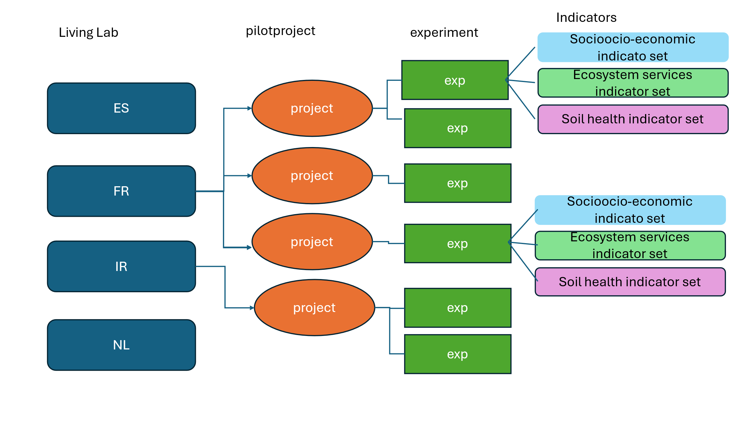

Soilcrates Experiments
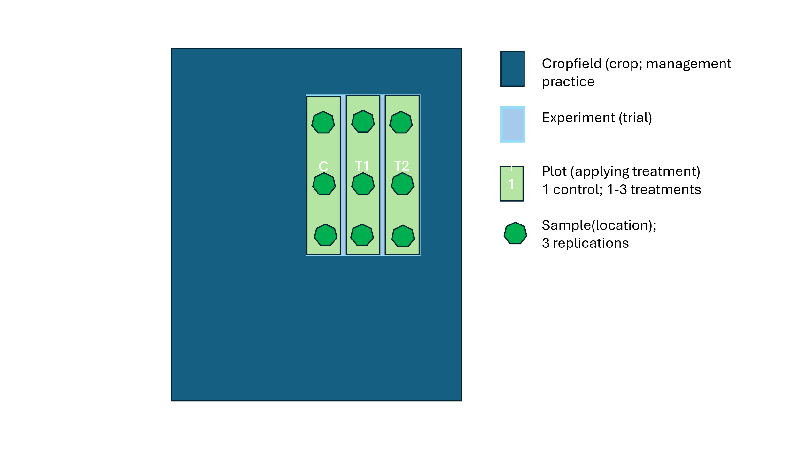
 | Pilot basic design, 1 split field or 2 adjacent strips, 3 replicates
Rep 1 | C-1 | T1-1 | T2-1
Rep 2 | C-2 | T1-2 | T2-2
Rep 3 | C-3 | T1-3 | T2-3

Soilcrates-labeling
identifier |  |  | example
project-id (country/FSTP) |  |  | NL-..
experiment-id |  |  | EXP1
plot-ID (incl. sample point) |  |  | T1-1
layer-ID |  |  | 0-20
purpose-id |  |  | BULK, BDENS, MFAU, EWORM
sample-handling |  |  | FROZEN, DRIED
sample-date
sample location (GPS) |  |  | 220706,523603 (XY)

example from a ficticious Dutch sample:
NL-RR1-APL1+EXP2+T1-1+0-30+BULK+DRIED+02032025

Soil samples identification based on Benchmarks |  | The sample IDs are composed of a site ID, treatment ID and profile ID.
 |  | To distinguish individual samples collected at the same sampling point (profile ID), sample IDs are further amended by layer ID and a sample type ID (BULKS for bulk soil sample; BDENS for bulk density sample, HYDRA for hydraulic property sample, PLASTIC for plastic sample, MFAU for mesofauna sample, EWORM for earthworm sample).
 |  | To distinguish samples collected in different years, the sampling date is added at the last position of the label ID.

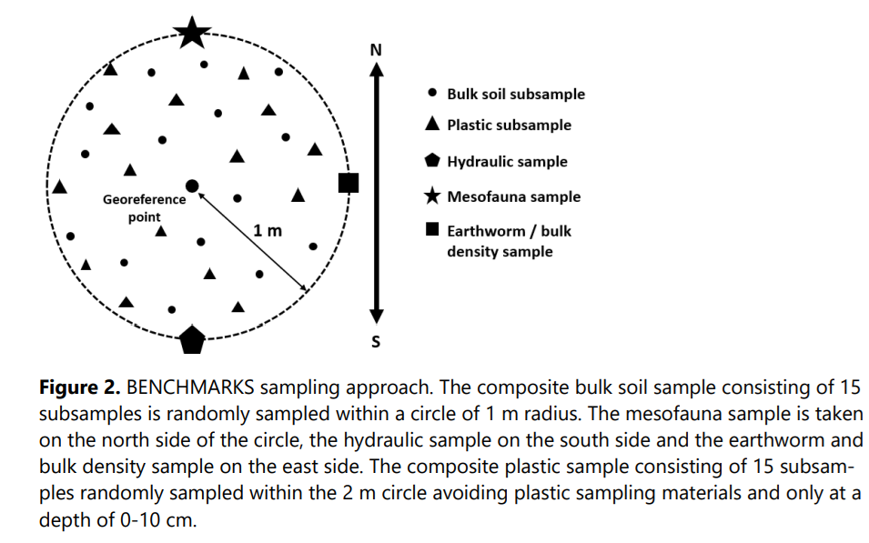

Comment from Marianne:
These sampling depths are the defaults from the Benchmarks protocol. However each country can deviate from this. This should be described/explained in D4.1 chapter 6.
Marianne:
And we need to make a desicion; should this template be filled out at the project-id level (so 1 file per project) or expermient id level (one file per experiment). (my preference would be on the project-ID level. 1 file per project. That would require the exoerimental design tab to be adjusted to accomodate more than 1 experiment per project).
 |  |  |  | pasture | sampling depth 0-20 cm
 |  |  |  | arable | sampling depth 0-20 cm

soil monitoring per experiment
This part is to be filled once for the project and plots
The samples for a plots will each time be taken at the same GPS-location identified by the centre of the circle of 2m.
Template soil monitoring | based on Guidelines for soildescription
(for every sampling moment T0, T1 etc)) | Guidelines for soil description
Make a copy of this tab when there are multiple experiments in a pilot.

Project

project-id (country/FSTP) | NL/..
experiment-id | EXP1
experiment name (location/town

Plot | plot-ID (incl. sample point) | C | T1-1 | T1-2 | T1-3
location (GPS)
location description
altitude

This part is to be filled out for each sampling or monitoring time.
In an experiment all plots will be sampled at the same time. Every sampling moment a column is added to the table.
Monitoring time |  | T=0 | T=1 | T=2
date | dd-mm-yyyy
author | (coordinator of sampling campaign)

present weather condition |  | Select from list | Select from list | Select from list
clouds | sunny, partlyclouded, overcast,etc
temperature | <10, 10-20 etc.

Former weather conditions
rainfall | rain in last week etc.

